Sales_Quotation
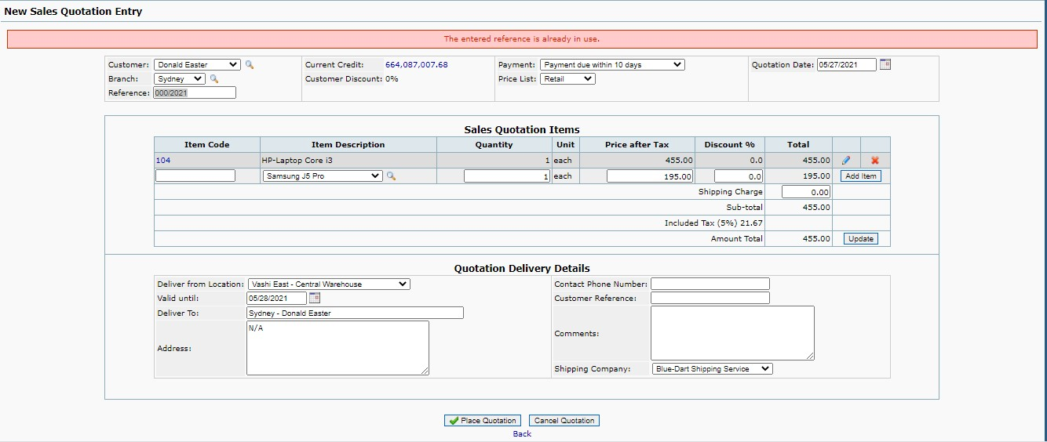
Defect_ Id | Date | Status | Project Name | Module Name | Sub - Module Name | Severity | Priority | Type | Phase | Summary | Steps to Reproduce | Test Data | Expected Result | Actual Result | Reported By | Assigned to | Scrren Shots
D_001 | 20th May 2021 | New | Front Accounting | Sales | Sales Quotation Entry | High |  | Functional | System Testing | While creating Sales Quotation, Error message as "Reference number is already in use" is displayed | Select the Cutomer Name | Donald Easter | Data should be displayed in Customer text field | Data is displayed in Customer text field | Miss. Pallavi Natle
 |  |  |  |  |  |  |  |  |  |  | Select the Branch | Sydney | Data should be displayed in Branch text field | Data is displayed in Branch text field
 |  |  |  |  |  |  |  |  |  |  | Select the Payment | Payment Due Within 10 Days | Data should be displayed in Payment text field | Data is displayed in Payment text field
 |  |  |  |  |  |  |  |  |  |  | Select the Price List | Retail | Data should be displayed in Price List text field | Data is displayed in Price List text field
 |  |  |  |  |  |  |  |  |  |  | Select the Item | HP Laptop Core i3 | Data should be displayed in Item Description text field | Data is displayed in Item Description text field
 |  |  |  |  |  |  |  |  |  |  | Enter the Quantity | 1 | Data should be displayed in Quantity text field | Data is displayed in Quantity text field
 |  |  |  |  |  |  |  |  |  |  | Click on Add Item Button |  | Item should be added | Item is added
 |  |  |  |  |  |  |  |  |  |  | Select Deliver from Location | Vashi East - Central WareHouse | Data should be displayed in Deliver from Location text field | Data is displayed in Deliver from Location text field
 |  |  |  |  |  |  |  |  |  |  | Click on Place Quotation Button |  | Notification as "Quotation is entered successfully"should be displayed. Quotation should be successfully created and Quotation no. should be displayed | Error message as "Reference number is already in use" is displayed. Quotation is not created.

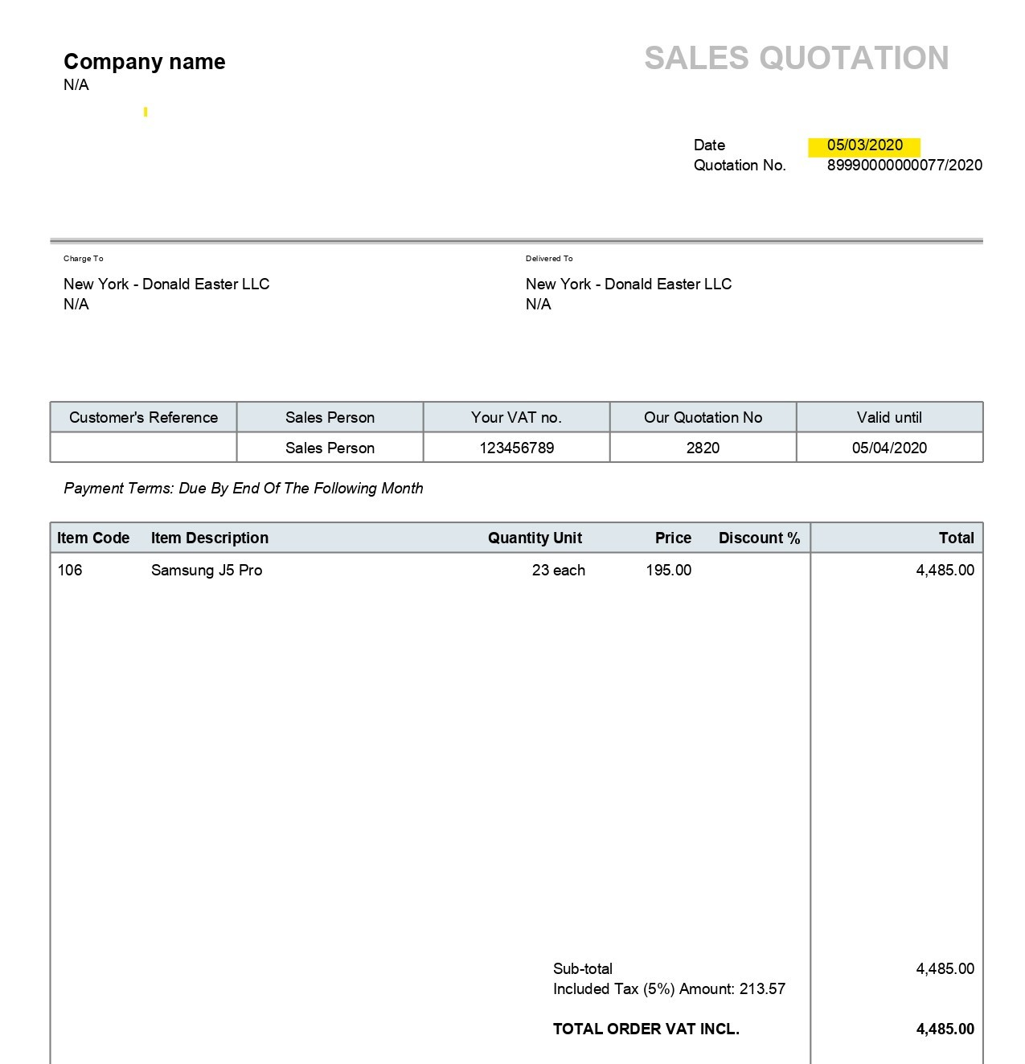
D_002 | 26th May 2021 | New | Front Accounting | Sales | Sales Quotation Entry | High |  | Functional | System Testing | While creating Sales Quotation with invalid Quotation Date, Quotation is created successfully | Select the Cutomer Name | Donald Easter | Data should be displayed in Customer text field | Data is displayed in Customer text field | Miss. Pallavi Natle
 |  |  |  |  |  |  |  |  |  |  | Select the Branch | New York | Data should be displayed in Branch text field | Data is displayed in Branch text field
 |  |  |  |  |  |  |  |  |  |  | Select the Payment | Due by end of the following month | Data should be displayed in Payment text field | Data is displayed in Payment text field
 |  |  |  |  |  |  |  |  |  |  | Select the Price List | Wholesale | Data should be displayed in Price List text field | Data is displayed in Price List text field
 |  |  |  |  |  |  |  |  |  |  | Select the Quotation Date | 2020-05-03 | Data should be displayed in Quotation Date text field | Data is displayed in Quotation Date text field in red color
 |  |  |  |  |  |  |  |  |  |  | Select the Item | Samsung J5 Pro | Data should be displayed in Item Description text field | Data is displayed in Item Description text field
 |  |  |  |  |  |  |  |  |  |  | Enter the Quantity | 23 | Data should be displayed in Quantity text field | Data is displayed in Quantity text field
 |  |  |  |  |  |  |  |  |  |  | Click on Add Item Button |  | Item should be added | Item is added
 |  |  |  |  |  |  |  |  |  |  | Select Deliver from Location | MBP - Ghansoli | Data should be displayed in Deliver from Location text field | Data is displayed in Deliver from Location text field
 |  |  |  |  |  |  |  |  |  |  | Click on Place Quotation Button |  | Error message should be displayed and Quotation should not be created | Error message is not displayed and Quotation is created successfully

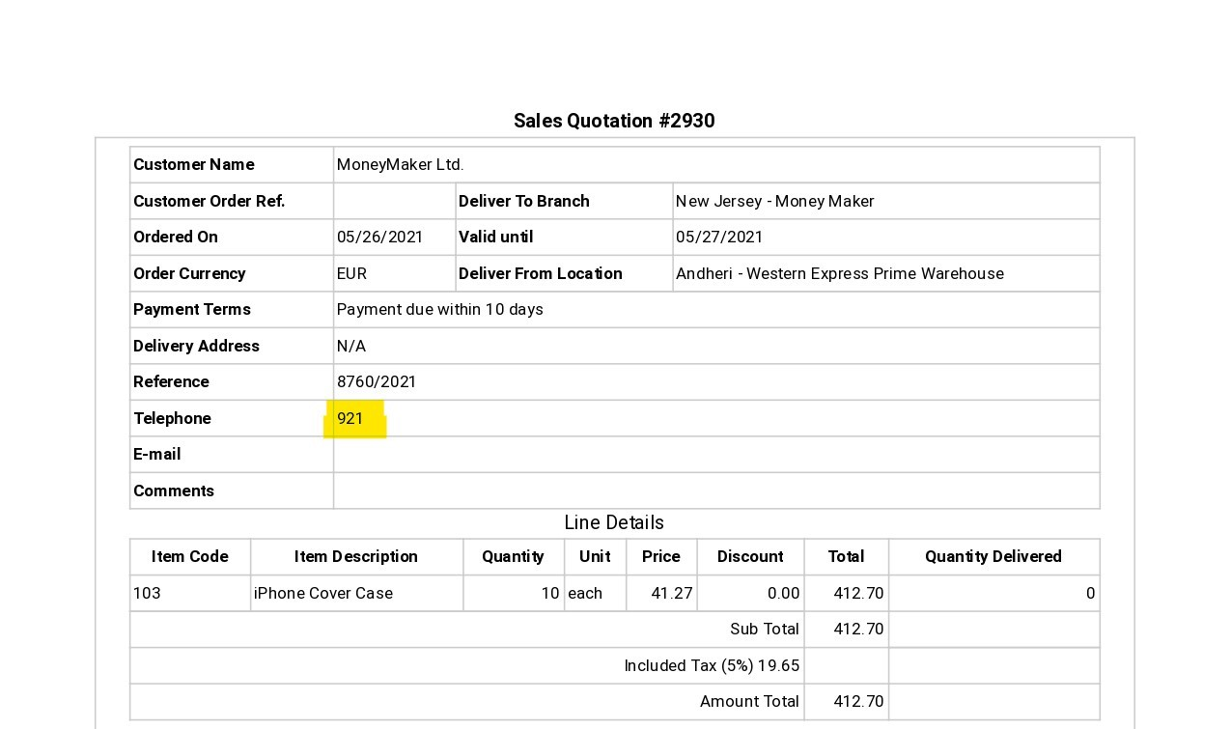
D_003 | 26th May 2021 | New | Front Accounting | Sales | Sales Quotation Entry | High |  | Functional | System Testing | While creating Sales Quotation with less than 4 digit number as Contact Phone Number, Quotation is created successfully | Select the Cutomer Name | Money Maker | Data should be displayed in Customer text field | Data is displayed in Customer text field | Miss. Pallavi Natle
 |  |  |  |  |  |  |  |  |  |  | Select the Branch | New Jersey | Data should be displayed in Branch text field | Data is displayed in Branch text field
 |  |  |  |  |  |  |  |  |  |  | Select the Payment | Payment Due Within 10 Days | Data should be displayed in Payment text field | Data is displayed in Payment text field
 |  |  |  |  |  |  |  |  |  |  | Select the Price List | Retail | Data should be displayed in Price List text field | Data is displayed in Price List text field
 |  |  |  |  |  |  |  |  |  |  | Select the Item | iPhone Cover Case | Data should be displayed in Item Description text field | Data is displayed in Item Description text field
 |  |  |  |  |  |  |  |  |  |  | Enter the Quantity | 10 | Data should be displayed in Quantity text field | Data is displayed in Quantity text field
 |  |  |  |  |  |  |  |  |  |  | Click on Add Item Button |  | Item should be added | Item is added
 |  |  |  |  |  |  |  |  |  |  | Select Deliver from Location | Andheri- Western Express Prime Warehouse | Data should be displayed in Deliver from Location text field | Data is displayed in Deliver from Location text field
 |  |  |  |  |  |  |  |  |  |  | Enter Contact Phone Number | 921 | Data should be displayed in Contact Phone Number text field | Data is displayed in Contact Phone Number text field
 |  |  |  |  |  |  |  |  |  |  | Click on Place Quotation Button |  | Error message as "Invalid Phone no . Please enter valid Phone no. " should be displayed. Quotation should not be created | Notification as "Quotation has been entered" is displayed. Quotation no is provided

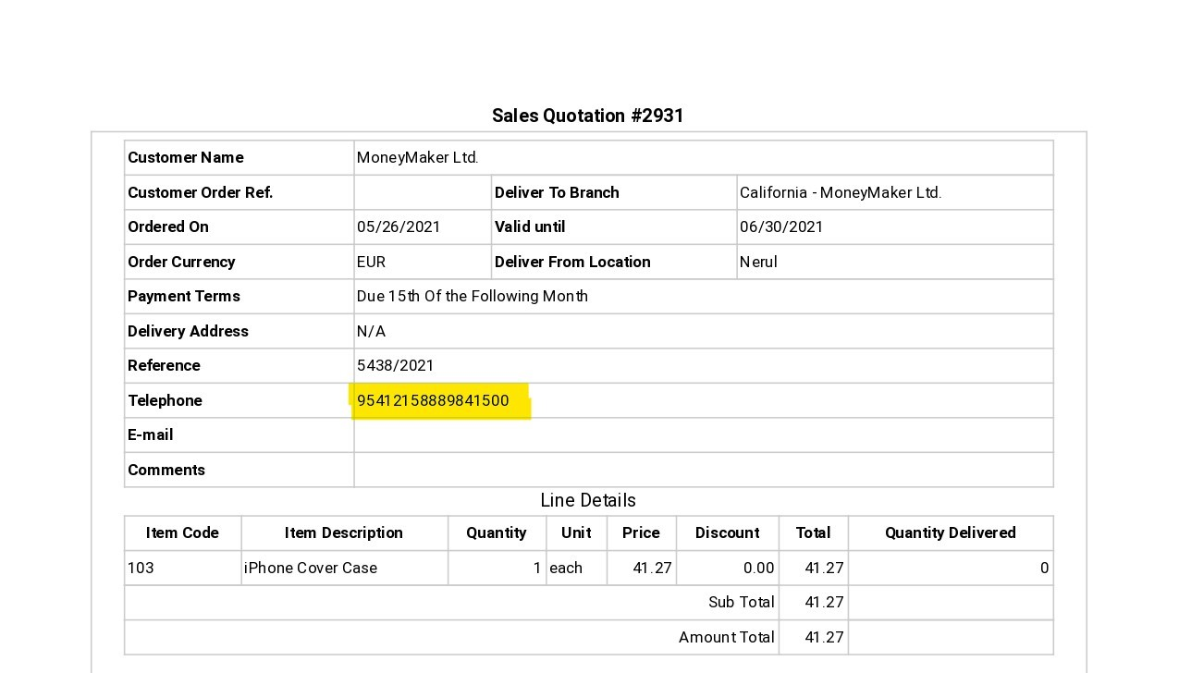
D_004 | 26th May 2021 | New | Front Accounting | Sales | Sales Quotation Entry | High |  | Functional | System Testing | While creating Sales Quotation with more than 15 digit number as Contact Phone Number, Quotation is created successfully | Select the Cutomer Name | Money Maker | Data should be displayed in Customer text field | Data is displayed in Customer text field | Mrs. Palllavi
 |  |  |  |  |  |  |  |  |  |  | Select the Branch | California | Data should be displayed in Branch text field | Data is displayed in Branch text field
 |  |  |  |  |  |  |  |  |  |  | Select the Payment | Due 15 th of the Following month | Data should be displayed in Payment text field | Data is displayed in Payment text field
 |  |  |  |  |  |  |  |  |  |  | Select the Price List | Retail | Data should be displayed in Price List text field | Data is displayed in Price List text field
 |  |  |  |  |  |  |  |  |  |  | Select the Item | iPhone Cover Case | Data should be displayed in Item Description text field | Data is displayed in Item Description text field
 |  |  |  |  |  |  |  |  |  |  | Enter the Quantity | 1 | Data should be displayed in Quantity text field | Data is displayed in Quantity text field
 |  |  |  |  |  |  |  |  |  |  | Click on Add Item Button |  | Item should be added | Item is added
 |  |  |  |  |  |  |  |  |  |  | Select Deliver from Location | Nerul | Data should be displayed in Deliver from Location text field | Data is displayed in Deliver from Location text field
 |  |  |  |  |  |  |  |  |  |  | Enter Contact Phone Number | 95412158889841500 | Data should be displayed in Contact Phone Number text field | Data is displayed in Contact Phone Number text field
 |  |  |  |  |  |  |  |  |  |  | Click on Place Quotation Button |  | Error message as "Invalid Phone no . Please enter valid Phone no. " should be displayed. Quotation should not be created | Notification as "Quotation has been entered" is displayed. Quotation no is provided

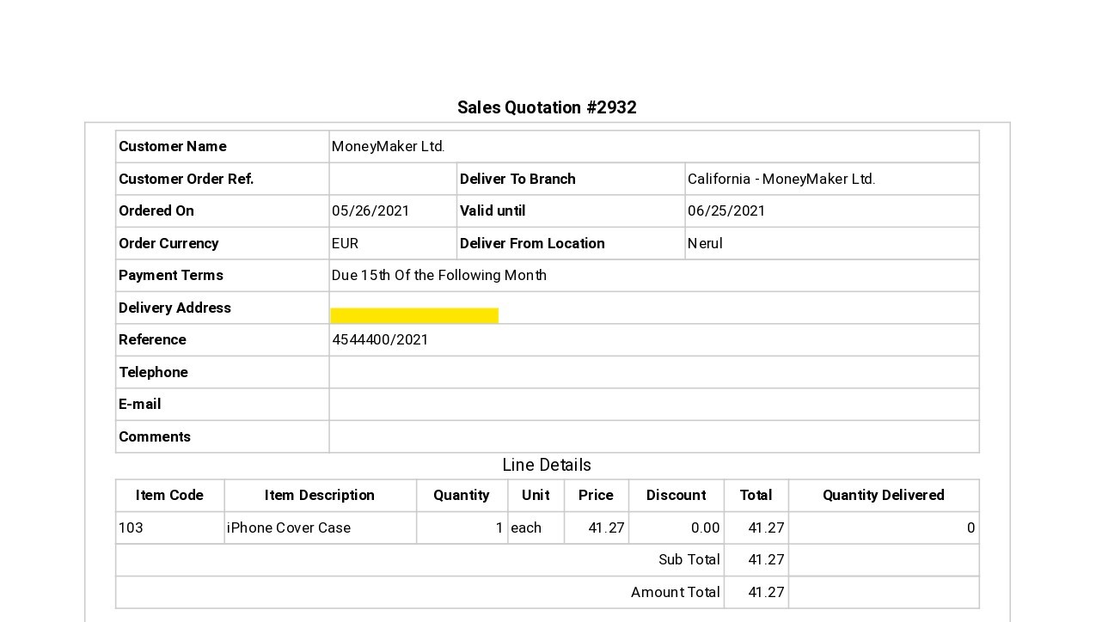
D_005 | 26th May 2021 | New | Front Accounting | Sales | Sales Quotation Entry | High |  | Functional | System Testing | While creating Sales Quotation with blank Address field, Quotation is created successfully | Select the Cutomer Name | Money Maker | Data should be displayed in Customer text field | Data is displayed in Customer text field | Miss. Pallavi Natle
 |  |  |  |  |  |  |  |  |  |  | Select the Branch | California | Data should be displayed in Branch text field | Data is displayed in Branch text field
 |  |  |  |  |  |  |  |  |  |  | Select the Payment | Due 15 th of the Following month | Data should be displayed in Payment text field | Data is displayed in Payment text field
 |  |  |  |  |  |  |  |  |  |  | Select the Price List | Retail | Data should be displayed in Price List text field | Data is displayed in Price List text field
 |  |  |  |  |  |  |  |  |  |  | Select the Item | iPhone Cover Case | Data should be displayed in Item Description text field | Data is displayed in Item Description text field
 |  |  |  |  |  |  |  |  |  |  | Enter the Quantity | 1 | Data should be displayed in Quantity text field | Data is displayed in Quantity text field
 |  |  |  |  |  |  |  |  |  |  | Click on Add Item Button |  | Item should be added | Item is added
 |  |  |  |  |  |  |  |  |  |  | Select Deliver from Location | Nerul | Data should be displayed in Deliver from Location text field | Data is displayed in Deliver from Location text field
 |  |  |  |  |  |  |  |  |  |  | Remove the default text from the Address field |  | Address field should be blank | Address field is blank
 |  |  |  |  |  |  |  |  |  |  | Click on Place Quotation Button |  | Error message as "Please enter address " should be displayed. Order should not be created. | Error message is not displayed. Quotation is created

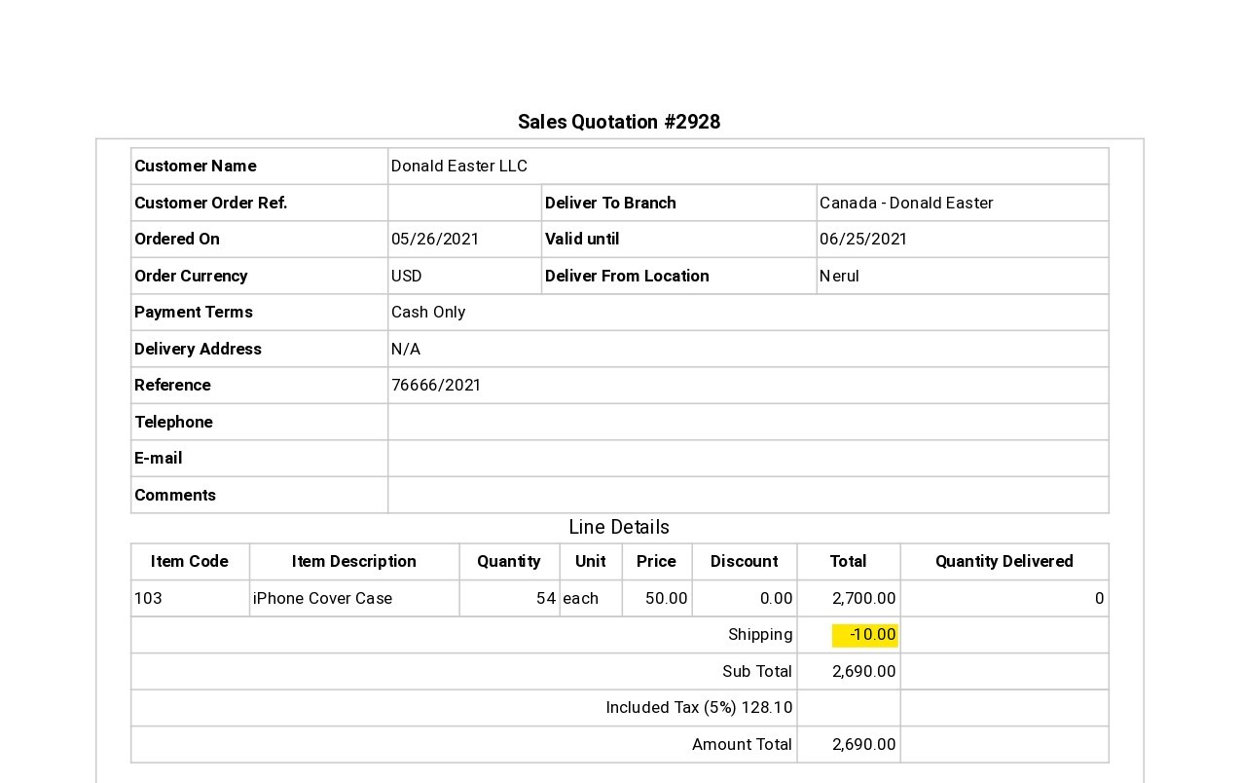
D_006 | 26th May 2021 | New | Front Accounting | Sales | Sales Quotation Entry | High |  | Functional | System Testing | While creating Sales Quotation with negative shipping charges, Quotation is created successfully | Select the Cutomer Name | Donald Easter | Data should be displayed in Customer text field | Data is displayed in Customer text field | Miss. Pallavi Natle
 |  |  |  |  |  |  |  |  |  |  | Select the Branch | Canada | Data should be displayed in Branch text field | Data is displayed in Branch text field
 |  |  |  |  |  |  |  |  |  |  | Select the Payment | Cash Only | Data should be displayed in Payment text field | Data is displayed in Payment text field
 |  |  |  |  |  |  |  |  |  |  | Select the Price List | Wholesale | Data should be displayed in Price List text field | Data is displayed in Price List text field
 |  |  |  |  |  |  |  |  |  |  | Select the Item | iPhone Cover Case | Data should be displayed in Item Description text field | Data is displayed in Item Description text field
 |  |  |  |  |  |  |  |  |  |  | Enter the Quantity | 54 | Data should be displayed in Quantity text field | Data is displayed in Quantity text field
 |  |  |  |  |  |  |  |  |  |  | Click on Add Item Button |  | Item should be added | Item is added
 |  |  |  |  |  |  |  |  |  |  | Enter Shipping Charges | -10 | Data should be displayed in Shipping Charges text field | Data is displayed in Shipping Charges text field
 |  |  |  |  |  |  |  |  |  |  | Click on Update Button |  | Error message as "Invalid charges. Please enter valid shipping charges" should be displayed. Calculation should not updated | Error message is not displayed. Calculation is updated
 |  |  |  |  |  |  |  |  |  |  | Select Deliver from Location | Nerul | Data should be displayed in Deliver from Location text field | Data is displayed in Deliver from Location text field
 |  |  |  |  |  |  |  |  |  |  | Click on Place Quotation Button |  | Errror message should be displayed. Quotation should not be created. | Notification as "Quotation has been entered" is displayed. Quotation is successfully created and Quotation no. is displayed

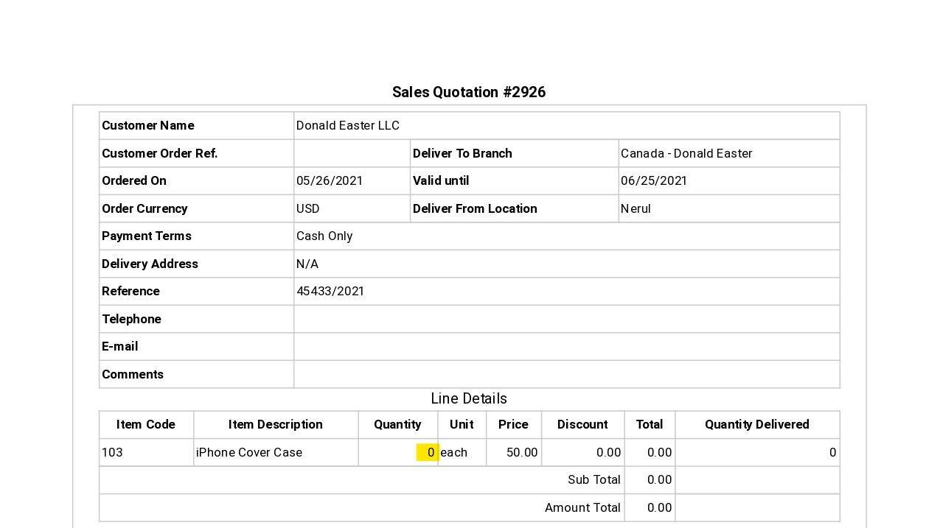
D_007 | 26th May 2021 | New | Front Accounting | Sales | Sales Quotation Entry | High |  | Functional | System Testing | While creating Sales Quotation with invalid quantity of item, Quotation is created successfully | Select the Cutomer Name | Donald Easter | Data should be displayed in Customer text field | Data is displayed in Customer text field | Miss. Pallavi Natle
 |  |  |  |  |  |  |  |  |  |  | Select the Branch | Canada | Data should be displayed in Branch text field | Data is displayed in Branch text field
 |  |  |  |  |  |  |  |  |  |  | Select the Payment | Cash Only | Data should be displayed in Payment text field | Data is displayed in Payment text field
 |  |  |  |  |  |  |  |  |  |  | Select the Price List | Retail | Data should be displayed in Price List text field | Data is displayed in Price List text field
 |  |  |  |  |  |  |  |  |  |  | Select the Item | iPhone Cover Case | Data should be displayed in Item Description text field | Data is displayed in Item Description text field
 |  |  |  |  |  |  |  |  |  |  | Enter the Quantity | 0 | Data should bedisplayed in Quantity text field | Data is displayed in Quantity text field
 |  |  |  |  |  |  |  |  |  |  | Click on Add Item Button |  | Error message as "Invalid quantity. Please enter valid quantity for the item" is displayed. Item should not be added | Error message sis not displayed. Item is added
 |  |  |  |  |  |  |  |  |  |  | Select Deliver from Location | Nerul | Data should be displayed in Deliver from Location text field | Data is displayed in Deliver from Location text field
 |  |  |  |  |  |  |  |  |  |  | Click on Place Quotation Button |  | Error message should be displayed. Quotation should not be created. | Error message is not displayed. Notification as "Quotation has been entered". Quotation is successfully created and Quotation no. is displayed

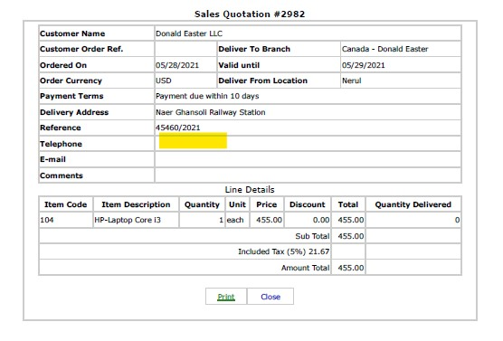
D_008 | 28th May 2021 | New | Front Accounting | Sales | Sales Quotation Entry | High |  | Functional | System Testing | While creating Sales Quotation with blank Contact number field, Quotation is created successfully | Select the Cutomer Name | Donald Easter | Data should be displayed in Customer text field | Data is displayed in Customer text field | Miss. Pallavi Natle
 |  |  |  |  |  |  |  |  |  |  | Select the Branch | Canada | Data should be displayed in Branch text field | Data is displayed in Branch text field
 |  |  |  |  |  |  |  |  |  |  | Select the Payment | Payment Due Within 10 Days | Data should be displayed in Payment text field | Data is displayed in Payment text field
 |  |  |  |  |  |  |  |  |  |  | Select the Price List | Retail | Data should be displayed in Price List text field | Data is displayed in Price List text field
 |  |  |  |  |  |  |  |  |  |  | Select the Item | Hp Laptop Core i3 | Data should be displayed in Item Description text field | Data is displayed in Item Description text field
 |  |  |  |  |  |  |  |  |  |  | Enter the Quantity | 1 | Data should be displayed in Quantity text field | Data is displayed in Quantity text field
 |  |  |  |  |  |  |  |  |  |  | Click on Add Item Button |  | Item should be added | Item is added
 |  |  |  |  |  |  |  |  |  |  | Select Deliver from Location | Nerul | Data should be displayed in Deliver from Location text field | Data is displayed in Deliver from Location text field
 |  |  |  |  |  |  |  |  |  |  | Enter the Address | Near Ghansoli Railway Station | Data should be displayed in Address text field | Data is displayed in Address text field
 |  |  |  |  |  |  |  |  |  |  | Click on Place Quotation Button |  | Error message as "Please enter Conatct Phone no " should be displayed. Order should not be created. | Error message is not displayed. Quotation is created

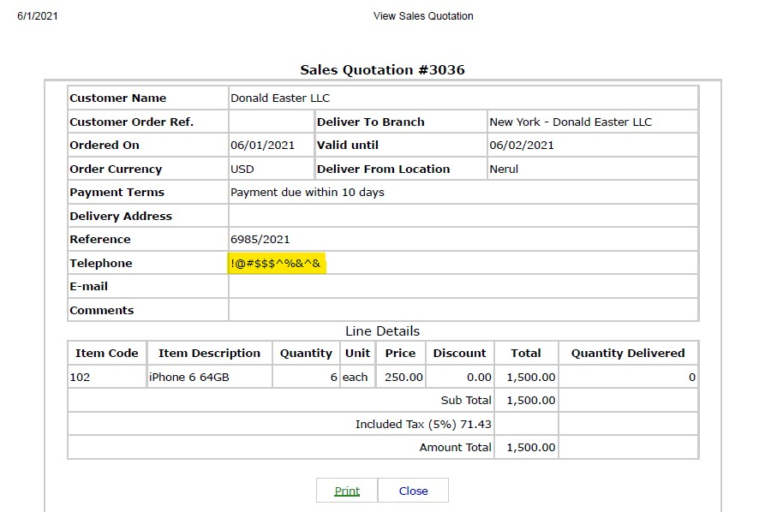
D_009 | 1st June 2021 | New | Front Accounting | Sales | Sales Quotation Entry | High |  | Functional | System Testing | While creating Sales Quotation by entering special character in Contact Phone number field, Quotation is created successfully | Select the Cutomer Name | Donald Easter | Data should be displayed in Customer text field | Data is displayed in Customer text field | Miss. Pallavi Natle
 |  |  |  |  |  |  |  |  |  |  | Select the Branch | New York | Data should be displayed in Branch text field | Data is displayed in Branch text field
 |  |  |  |  |  |  |  |  |  |  | Select the Payment | Payment Due Within 10 Days | Data should be displayed in Payment text field | Data is displayed in Payment text field
 |  |  |  |  |  |  |  |  |  |  | Select the Price List | Retail | Data should be displayed in Price List text field | Data is displayed in Price List text field
 |  |  |  |  |  |  |  |  |  |  | Select the Item | iPhone 6 64 GB | Data should be displayed in Item Description text field | Data is displayed in Item Description text field
 |  |  |  |  |  |  |  |  |  |  | Enter the Quantity | 6 | Data should be displayed in Quantity text field | Data is displayed in Quantity text field
 |  |  |  |  |  |  |  |  |  |  | Click on Add Item Button |  | Item should be added | Item is added
 |  |  |  |  |  |  |  |  |  |  | Select Deliver from Location | Nerul | Data should be displayed in Deliver from Location text field | Data is displayed in Deliver from Location text field
 |  |  |  |  |  |  |  |  |  |  | Enter Contact Phone Number | !@#$$$^%&^& | Data should be displayed in Contact Phone Number text field | Data is displayed in Contact Phone Number text field
 |  |  |  |  |  |  |  |  |  |  | Click on Place Quotation Button |  | Error message as "Invalid Phone no . Please enter valid Phone no. " should be displayed. Quotation should not be created | error message is not displayed. Notification as "Quotation has been entered" is displayed. Quotation no is provided

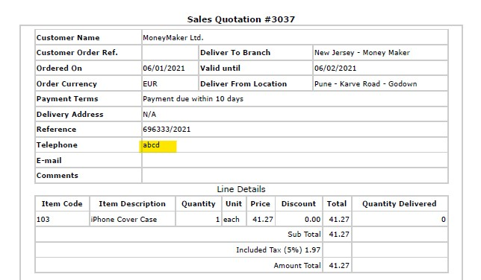
D_010 | 1st June 2021 | New | Front Accounting | Sales | Sales Quotation Entry | High |  | Functional | System Testing | While creating Sales Quotation by entering alphabets in Contact Phone number field, Quotation is created successfully | Select the Cutomer Name | Money Maker | Data should be displayed in Customer text field | Data is displayed in Customer text field | Miss. Pallavi Natle
 |  |  |  |  |  |  |  |  |  |  | Select the Branch | New Jersey | Data should be displayed in Branch text field | Data is displayed in Branch text field
 |  |  |  |  |  |  |  |  |  |  | Select the Payment | Payment Due Within 10 Days | Data should be displayed in Payment text field | Data is displayed in Payment text field
 |  |  |  |  |  |  |  |  |  |  | Select the Price List | Retail | Data should be displayed in Price List text field | Data is displayed in Price List text field
 |  |  |  |  |  |  |  |  |  |  | Select the Item | iPhone Cover Case | Data should be displayed in Item Description text field | Data is displayed in Item Description text field
 |  |  |  |  |  |  |  |  |  |  | Enter the Quantity | 1 | Data should be displayed in Quantity text field | Data is displayed in Quantity text field
 |  |  |  |  |  |  |  |  |  |  | Click on Add Item Button |  | Item should be added | Item is added
 |  |  |  |  |  |  |  |  |  |  | Select Deliver from Location | Pune - Karve Road - Godown | Data should be displayed in Deliver from Location text field | Data is displayed in Deliver from Location text field
 |  |  |  |  |  |  |  |  |  |  | Enter Contact Phone Number | abcd | Data should be displayed in Contact Phone Number text field | Data is displayed in Contact Phone Number text field
 |  |  |  |  |  |  |  |  |  |  | Click on Place Quotation Button |  | Error message as "Invalid Phone no . Please enter valid Phone no. " should be displayed. Quotation should not be created | error message is not displayed. Notification as "Quotation has been entered" is displayed. Quotation no is provided

Sales_Order
Defect_ Id | Date | Status | Project Name | Module Name | Sub - Module Name | Severity | Priority | Type | Phase | Summary | Steps to Reproduce | Test Data | Expected Result | Actual Result | Reported By | Assigned to | Screen Shots
D_001 | 20th May 2021 | New | Front Accounting | Sales | Sales Order Entry | High |  | Functional | System Testing | While creating Sales Order, Error message as "Reference number is already in use" is displayed | Click on Place Order Button |  | Notification as "Order is created successfully" should be displayed. Order should be successfully created and Order no. should be displayed | Error message as "Reference number is already in use" is displayed. Order is not created. | Miss. Pallavi Natle |  | For Quotation no = 2957
 |  |  |  |  |  |  |  |  |  |  |  |  |  |  |  |  | 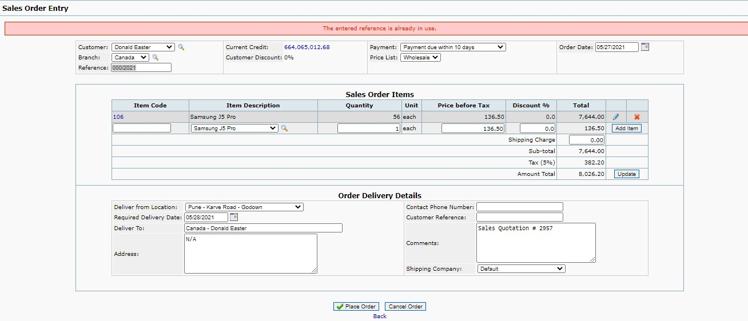

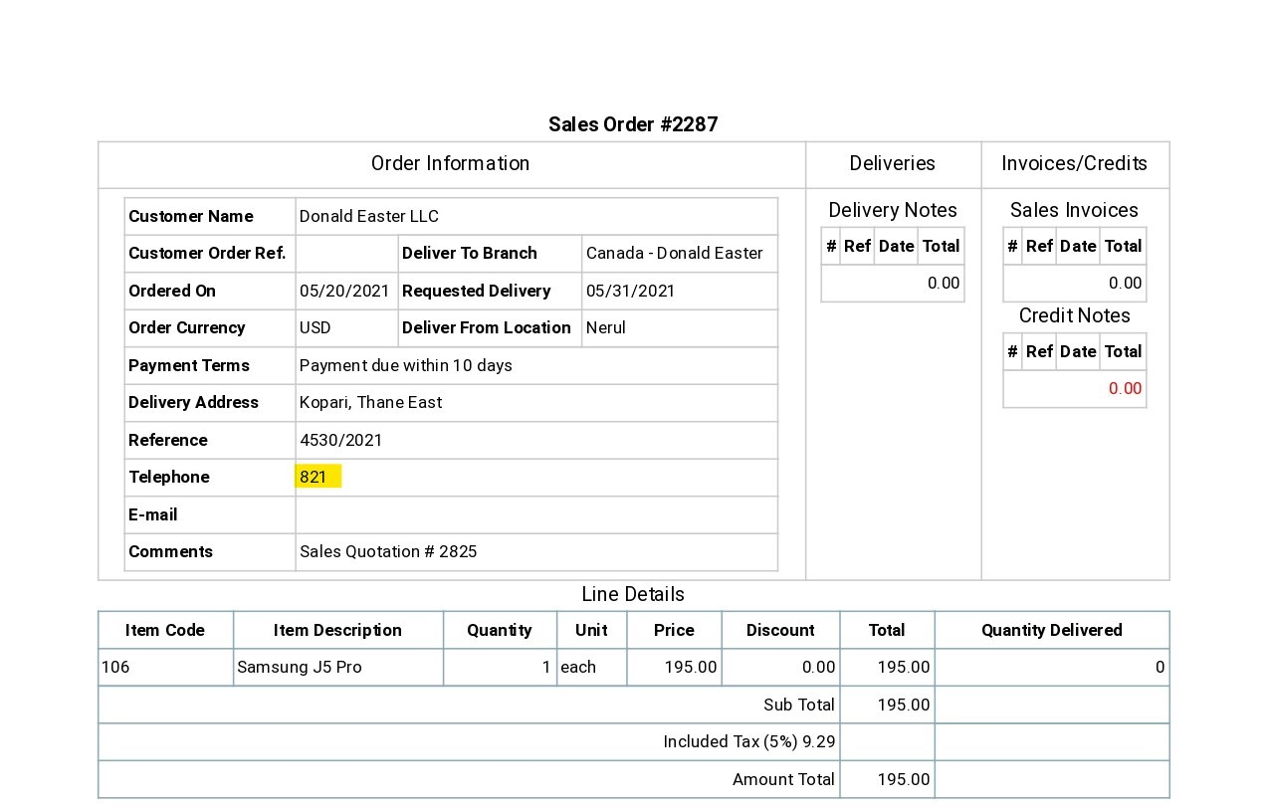
D_002 | 20th May 2021 | New | Front Accounting | Sales | Sales Order Entry | High |  | Functional | System Testing | While creating Sales Order with less than 4 digit number as Contact Phone Number, Order is created successfully | Enter Address | Kopari, Thane East | Data should be displayed in Address text field | Data is displayed in Address text field | Miss. Pallavi Natle |  | For Quotation no = 2825
 |  |  |  |  |  |  |  |  |  |  | Enter Contact Phone Number | 821 | Data should be displayed in Contact Phone No. text field | Data is displayed in Contact Phone No. text field
 |  |  |  |  |  |  |  |  |  |  | Click on Place Order Button |  | Error message as "Invalid Phone no. Please enter valid Phone no. " should be provided and Order should not be created | Error message is not provided and Order is created

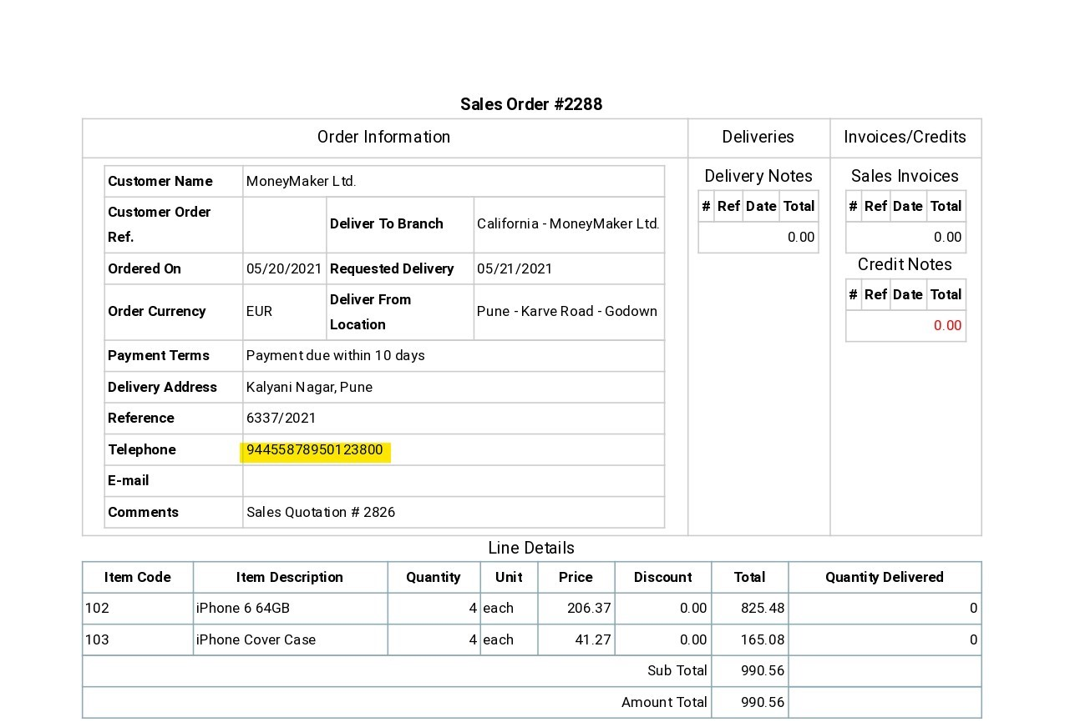
D_003 | 20th May 2021 | New | Front Accounting | Sales | Sales Order Entry | High |  | Functional | System Testing | While creating Sales Order with more than 15 digit number as Contact Phone Number, Order is created successfully | Enter Address | Kalyani Nagar, Pune | Data should be displayed in Address text field | Data is displayed in Address text field | Miss. Pallavi Natle |  | For Quotation no = 2826
 |  |  |  |  |  |  |  |  |  |  | Enter Contact Phone Number | 944558789501238000 | Data should be displayed in Contact Phone No. text field | Data is displayed in Contact Phone No. text field
 |  |  |  |  |  |  |  |  |  |  | Click on Place Order Button |  | Error message as "Invalid Phone no. Please enter valid Phone no. " should be provided and Order should not be created | Error message is not provided and Order is created

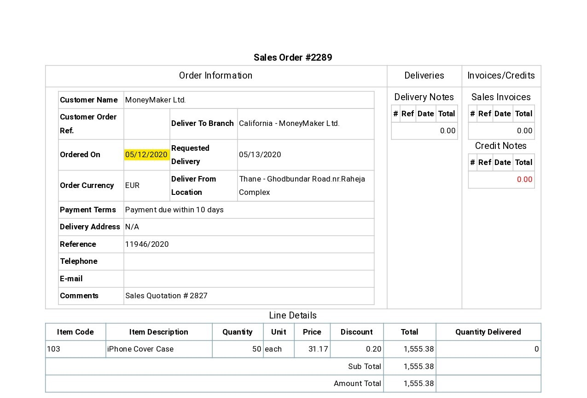
D_004 | 20th May 2021 | New | Front Accounting | Sales | Sales Order Entry | High |  | Functional | System Testing | While creating Sales Order with invalid Order Date, Order is created successfully | Select the Order date | 2020-05-12 | Data should be displayed in Order date text field | Data is displayed in Order date text field in red color | Miss. Pallavi Natle |  | For Quotation no = 2827
 |  |  |  |  |  |  |  |  |  |  | Click on Place Order Button |  | Error message as "Invalid Order date . Please enter valid Order date. " should be displayed. Order should not be created | Error message is not provided.Order is created successfully and Order no is provided

D_005 | 20th May 2021 | New | Front Accounting | Sales | Sales Order Entry | High |  | Functional | System Testing | While creating Sales Order with blank Contact Phone No. field, Order is created successfully | Click on Place Order Button |  | Error message as "Please enter Contact Phone No " should be displayed. Order should not be created. | Error message is not provided. Order is successfully created. | Miss. Pallavi Natle |  | For Quotation no = 2823
 |  |  |  |  |  |  |  |  |  |  |  |  |  |  |  |  | 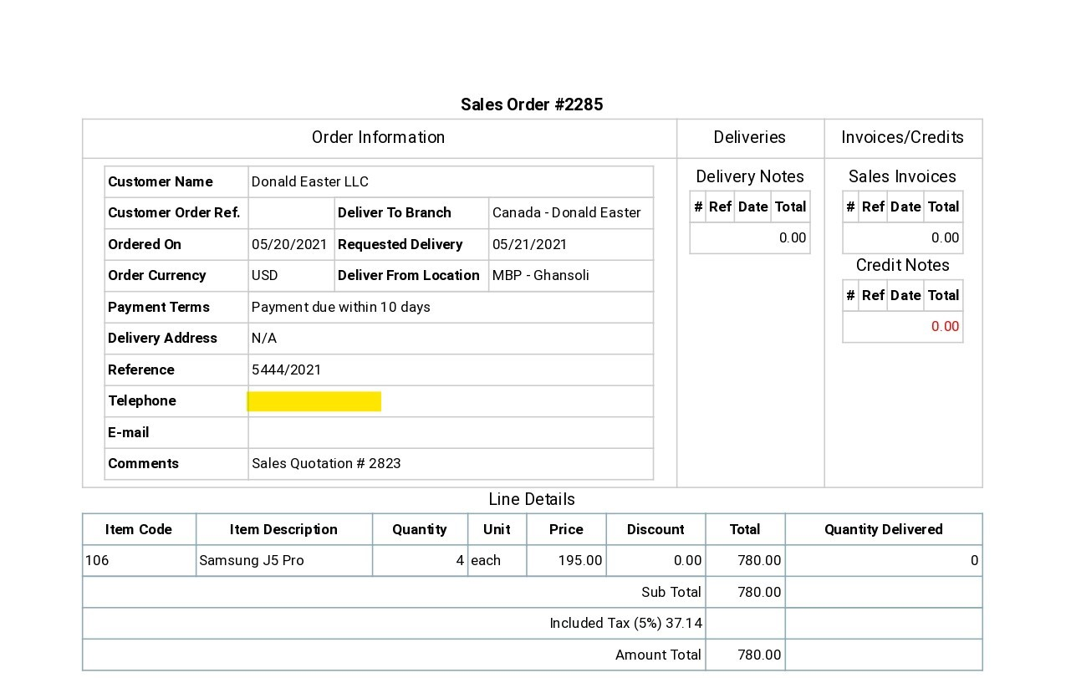

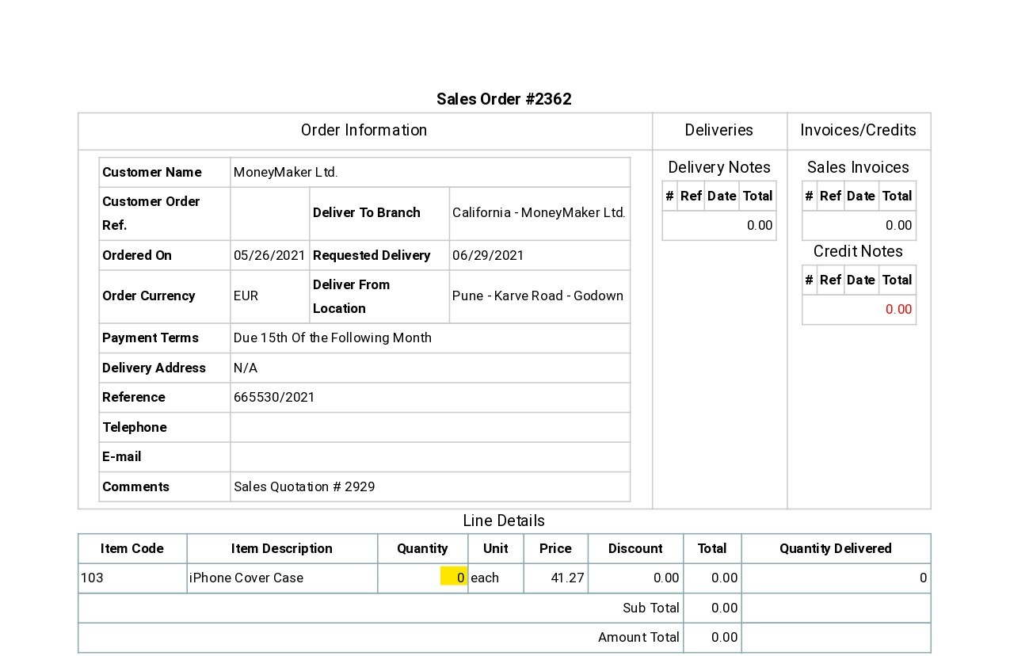
D_006 | 26th May 2021 | New | Front Accounting | Sales | Sales Order Entry | High |  | Functional | System Testing | While creating Sales Order with invalid quantity no., Order is created successfully | Select the Cutomer Name | Money Maker | Data should be displayed in Customer text field | Data is displayed in Customer text field | Miss. Pallavi Natle |  | For Quotation no = 2929
 |  |  |  |  |  |  |  |  |  |  | Select the Branch | California | Data should be displayed in Branch text field | Data is displayed in Branch text field
 |  |  |  |  |  |  |  |  |  |  | Select the Payment | Due 15th of the following Month | Data should be displayed in Payment text field | Data is displayed in Payment text field
 |  |  |  |  |  |  |  |  |  |  | Select the Price List | Retail | Data should be displayed in Price List text field | Data is displayed in Price List text field
 |  |  |  |  |  |  |  |  |  |  | Select the Item | iPhone Cover Case | Data should be displayed in Item Description text field | Data is displayed in Item Description text field
 |  |  |  |  |  |  |  |  |  |  | Enter the Quantity | 0 | Data should bedisplayed in Quantity text field | Data is displayed in Quantity text field
 |  |  |  |  |  |  |  |  |  |  | Click on Add Item Button |  | Error message as "Invalid quantity. Please enter valid quantity for the item" is displayed. Item should not be added | Error message is not displayed. Item is added
 |  |  |  |  |  |  |  |  |  |  | Select Deliver from Location | Pune - Karve Road Godown | Data should be displayed in Deliver from Location text field | Data is displayed in Deliver from Location text field
 |  |  |  |  |  |  |  |  |  |  | Click on Place Order Button |  | Error message should be displayed. Order should not be created. | Error message is not displayed. Notification as "Order has been entered". Order is successfully created and Order no. is displayed

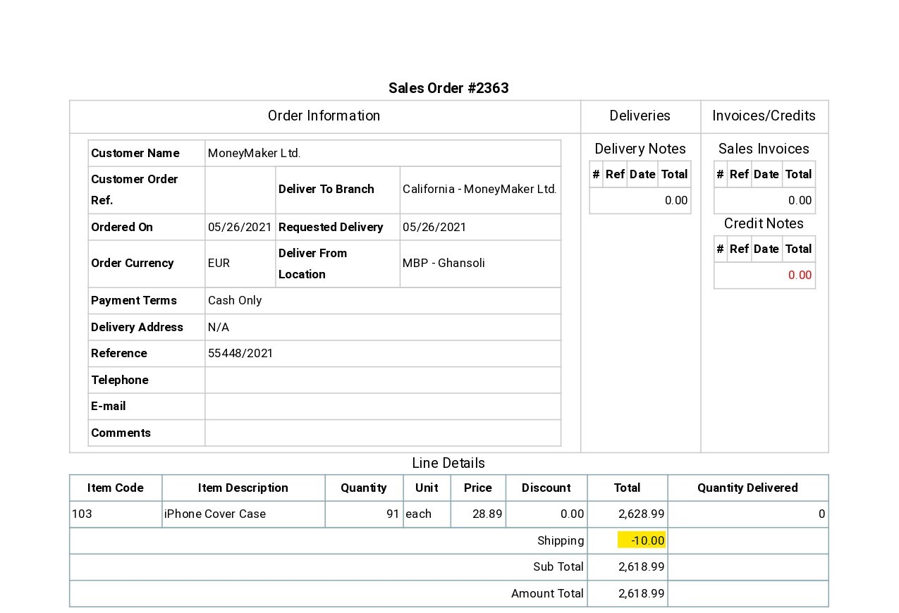
D_007 | 26th May 2021 | New | Front Accounting | Sales | Sales Order Entry | High |  | Functional | System Testing | While creating Sales Order with negative shipping charges., Order is created successfully | Select the Cutomer Name | Money Maker | Data should be displayed in Customer text field | Data is displayed in Customer text field | Miss. Pallavi Natle
 |  |  |  |  |  |  |  |  |  |  | Select the Branch | California | Data should be displayed in Branch text field | Data is displayed in Branch text field
 |  |  |  |  |  |  |  |  |  |  | Select the Payment | Due 15th of the following Month | Data should be displayed in Payment text field | Data is displayed in Payment text field
 |  |  |  |  |  |  |  |  |  |  | Select the Price List | Cash Only | Data should be displayed in Price List text field | Data is displayed in Price List text field
 |  |  |  |  |  |  |  |  |  |  | Select the Item | iPhone Cover Case | Data should be displayed in Item Description text field | Data is displayed in Item Description text field
 |  |  |  |  |  |  |  |  |  |  | Enter the Quantity | 91 | Data should bedisplayed in Quantity text field | Data is displayed in Quantity text field
 |  |  |  |  |  |  |  |  |  |  | Click on Add Item Button |  | Error message as "Invalid quantity. Please enter valid quantity for the item" is displayed. Item should not be added | Error message is not displayed. Item is added
 |  |  |  |  |  |  |  |  |  |  | Enter Shipping Charges | -10 | Data should be displayed in Shipping Charges text field | Data is displayed in Shipping Charges text field
 |  |  |  |  |  |  |  |  |  |  | Click on Update Button |  | Shipping charges should be added into Amount Total | Shipping charges is added into Amount Total
 |  |  |  |  |  |  |  |  |  |  | Select Deliver from Location | MBP -Ghansoli | Data should be displayed in Deliver from Location text field | Data is displayed in Deliver from Location text field
 |  |  |  |  |  |  |  |  |  |  | Click on Place Order Button |  | Error message should be displayed. Order should not be created. | Error message is not displayed. Notification as "Order has been entered". Order is successfully created and Order no. is displayed

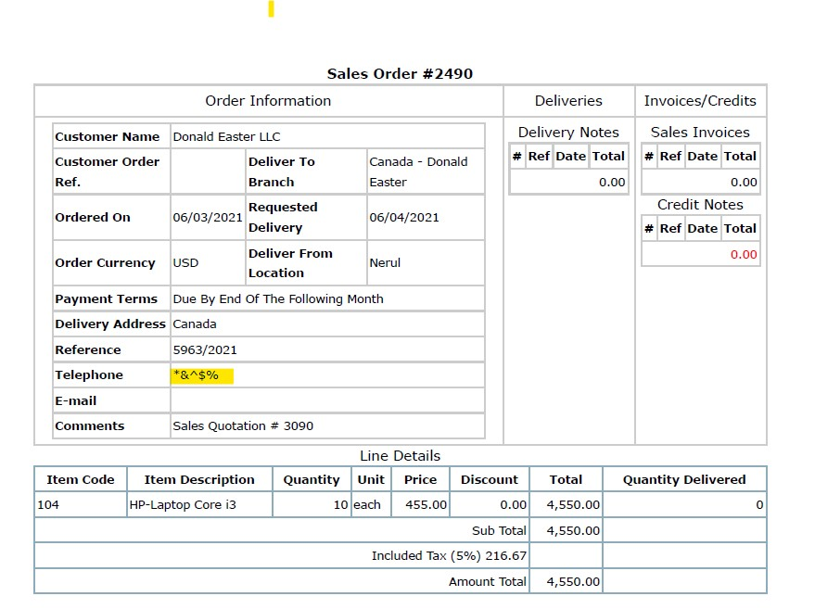
D_008 | 3rd June 2021 | New | Front Accounting | Sales | Sales Order Entry | High |  | Functional | System Testing | While creating Sales Order by entering special characters in Contact Phone number field, Quotation is created successfully | Enter Address | Canada | Data should be displayed in Address text field | Data is displayed in Address text field | Miss. Pallavi Natle |  | For Quotation no = 3090
 |  |  |  |  |  |  |  |  |  |  | Enter Contact Phone Number | *&^$% | Data should be displayed in Contact Phone Number text field | Data is displayed in Contact Phone Number text field
 |  |  |  |  |  |  |  |  |  |  | Click on Place Order Button |  | Error message as "Invalid Phone no . Please enter valid Phone no. " should be displayed. Order should not be created | Order is created successfully and Order no is provided

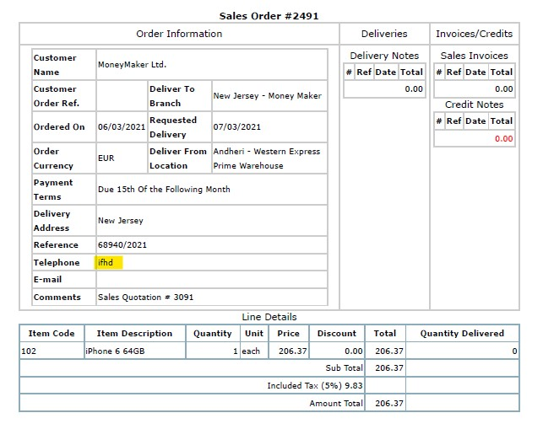
D_009 | 3rd June 2021 | New | Front Accounting | Sales | Sales Order Entry | High |  | Functional | System Testing | While creating Sales Order by entering alphabets in Contact Phone number field, Quotation is created successfully | Enter Address | New Jersey | Data should be displayed in Address text field | Data is displayed in Address text field | Miss. Pallavi Natle |  | For Quotation no = 3091
 |  |  |  |  |  |  |  |  |  |  | Enter Contact Phone Number | ifhd | Data should be displayed in Contact Phone Number text field | Data is displayed in Contact Phone Number text field
 |  |  |  |  |  |  |  |  |  |  | Click on Place Order Button |  | Error message as "Invalid Phone no . Please enter valid Phone no. " should be displayed. Order should not be created | Order is created successfully and Order no is provided

Delivery_Item_of_Sales_Order
Defect_ Id | Date | Status | Project Name | Module Name | Sub - Module Name | Severity | Priority | Type | Phase | Summary | Steps to Reproduce | Test Data | Expected Result | Actual Result | Reported By | Assigned to | Screen Shots
D_001 | 21th May 2021 | New | Front Accounting | Sales | Deliver Items of a Sales Order | High |  | Functional | System Testing | While dispatching sales delivery Error message as "Reference number is already in use" is displayed | Click on Process Dispatch button |  | Notification as "Delivery is entered successfully" should be displayed. Delivery should be succsessfully dispatched and Delivery No. should be displayed | Error message as "Reference number is already in use" is displayed. Delivery is not dispatched | Miss. Pallavi Natle |  | For Order no = 2397
 |  |  |  |  |  |  |  |  |  |  |  |  |  |  |  |  | 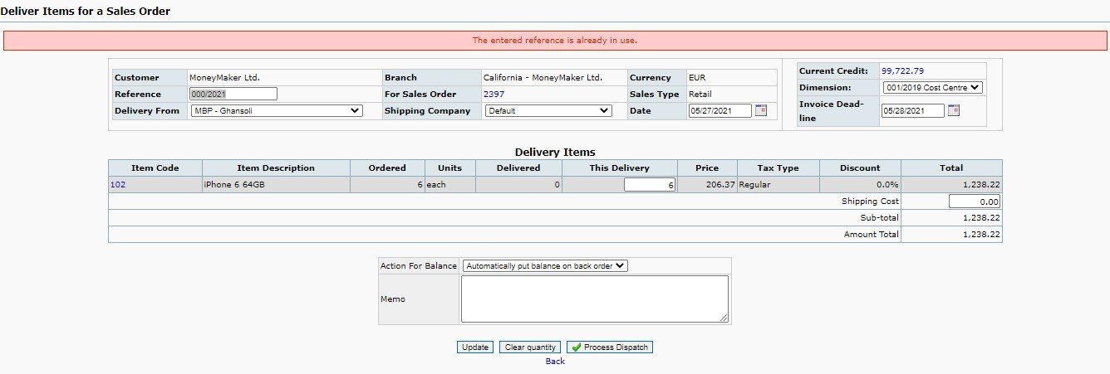

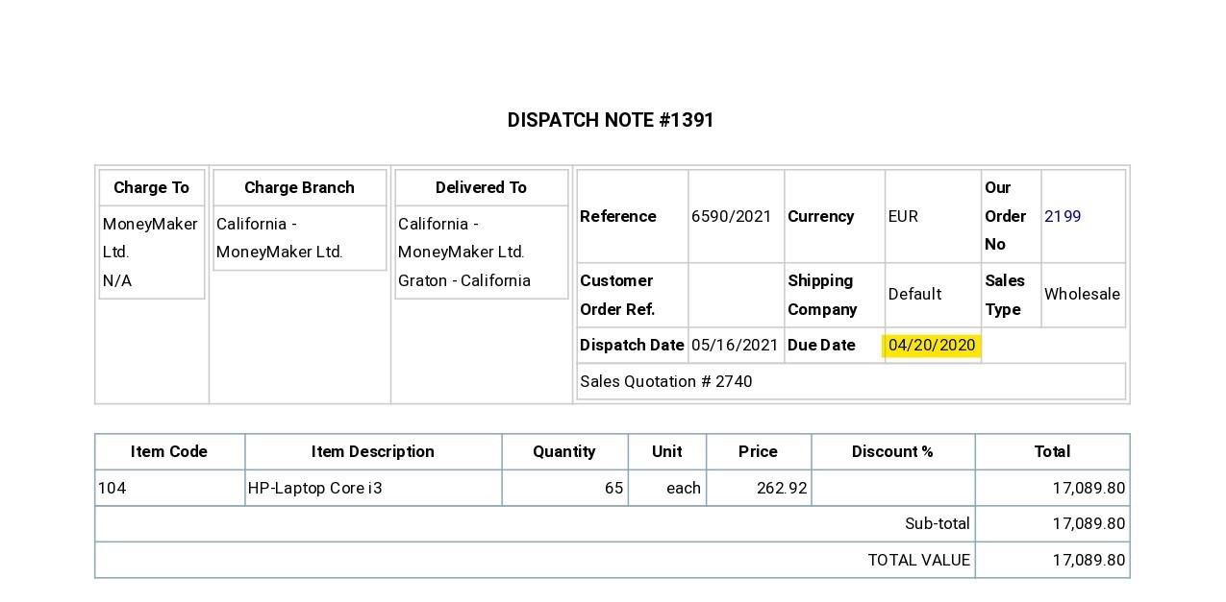
D_002 | 26th May 2021 | New | Front Accounting | Sales | Deliver Items of a Sales Order | High |  | Functional | System Testing | While dispatching sales delivery with invalid "Invoice Dead Line Date", Delivery is dispatched | Select Invoice Dead Line | 2020-04-20 | Data should be displayed in Invoice Date text field | Data is displayed in Invoice Date text field | Miss. Pallavi Natle |  | For Order no =2199
 |  |  |  |  |  |  |  |  |  |  | Enter this delivery | 65 | Data should be displayed in this delivery text field | Data is displayed into this delivery text field
 |  |  |  |  |  |  |  |  |  |  | Select Action For Balance | Automatically Put balance on back order | Data should be displayed into Action for Balance text field | Data is displayed into Action for Balance text field
 |  |  |  |  |  |  |  |  |  |  | Click on Update Button |  | Calculation should be updated | Calculation is updated
 |  |  |  |  |  |  |  |  |  |  | Click on Process Dispatch button |  | Error message as "Please enter valid Invoice Dead Line date"should be dshould bepalyed. Delivery should not be patched. | Error message is not displayed. Delivery is dispatched.

Invoice_for_Delivery_Note
Defect_ Id | Date | Status | Project Name | Module Name | Sub - Module Name | Severity | Priority | Type | Phase | Summary | Steps to Reproduce | Test Data | Expected Result | Actual Result | Reported By | Assigned to | Screen Shots
D_001 | 23th May 2021 | New | Front Accounting | Sales | Issue an Invoice for Delivery Note | High |  | Functional | System Testing | After issuing Sales Invoice for delivery Note, Invoice number is not provided | Click on Process Invoice button |  | Notification as "Invoice is created successfully" should be displayed. Invoice should be successfully created and Invoice no. should be displayed | Error message as "Reference number is already in use" is displayed. Invoice is not created. | Miss. Pallavi Natle |  | For Delivery no = 1368

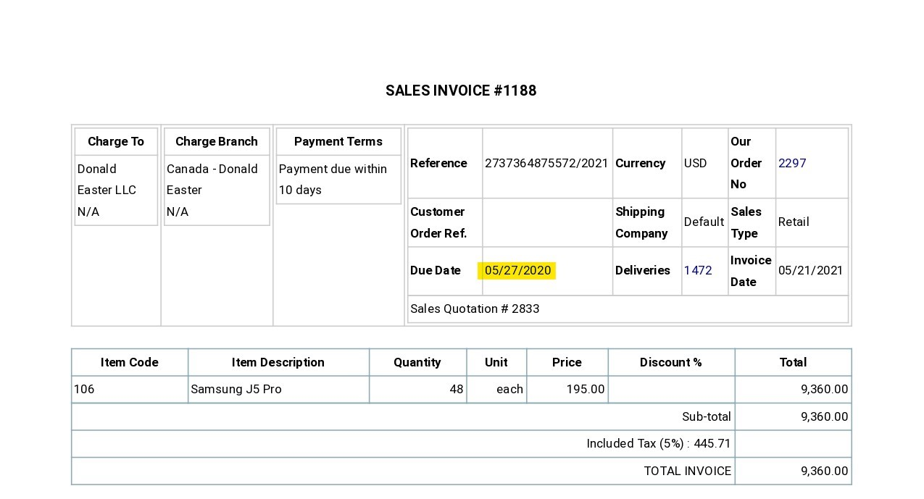
D_002 | 26th May 2021 | New | Front Accounting | Sales | Issue an Invoice for Delivery Note | High |  | Functional | System Testing | While issuing Sales Invoice for delivery Note with with invalid Invoice Due Date, Invoice is created | Select the Invoice date | 2020-05-27 | Data should be displayed in Invoice date text field | Data is displayed in Invoice date text field | Miss. Pallavi Natle |  | For Delivery no = 1472
 |  |  |  |  |  |  |  |  |  |  | Click on Process Invoice button |  | Error message as "Invalid Invoice Due date. Please select valid Invoice date" should be displayed. Invoice should not be created. | Error message is not provided. Invoice is successfully created

Customer_Payment_Entry
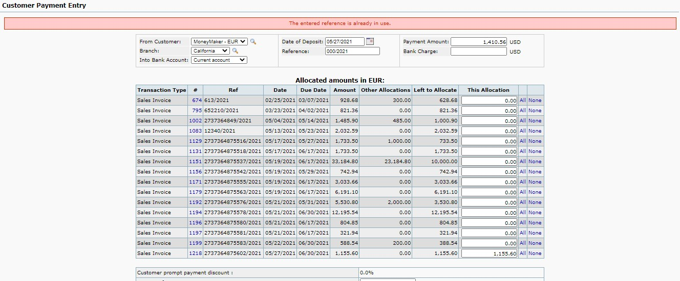
Defect_ Id | Date | Status | Project Name | Module Name | Sub - Module Name | Severity | Priority | Type | Phase | Summary | Steps to Reproduce | Test Data | Expected Result | Actual Result | Reported By | Assigned to | Screen Shots
D_001 | 20th May 2021 | New | Front Accounting | Sales | Customer Payment Entry | High |  | Functional | System Testing | While creating Customer Payment Entry, Error message as "Reference number is already in use" is displayed | Select the Customer | Donald Easter | Data should be displayed in From Customer field | Data should be displayed in From Customer field | Miss. Pallavi Natle |  | For Invoice no = 1148
 |  |  |  |  |  |  |  |  |  |  | Enter This Allocation | 3,712.60 | Data should be displayed in This Allocation field | Data should be displayed in This Allocation field
 |  |  |  |  |  |  |  |  |  |  | Click on Add Payment button |  | Calculation should be updated. Confirmation message should be displayed. Payment entry should be created successfully and Payment no. should be provided | Error message as "Reference number is already in use" is displayed. Customer Payment entry is not created.

D_002 | 20th May 2021 | New | Front Accounting | Sales | Customer Payment Entry | High |  | Functional | System Testing | After creating Customer Payment Entry sucessfully, Customer Payement no. is not provided | Select the Customer | MoneyAMker - EUR | Data should be displayed in From Customer field | Data is displayed in From Customer field | Miss. Pallavi Natle |  | For Invoice no = 1191
 |  |  |  |  |  |  |  |  |  |  | Enter Payment Amount | 27065.85 | Data should be displayed in Payment Amount text field | Data is displayed in Payment Amount text field
 |  |  |  |  |  |  |  |  |  |  | Enter This Allocation | 22,123.20 | Data should be displayed in This Allocation field | Data is displayed in This Allocation field
 |  |  |  |  |  |  |  |  |  |  | Enter Amount of Discount | 5 | Data should be displayed in Amount of Discount field | Data is displayed in Amount of Discount field
 |  |  |  |  |  |  |  |  |  |  | Click on Add Payment button |  | Calculation should be updated. Notification as "Customer payment is created sucessfully" should be displayed.. Payment entry should be created successfully and Payment no. should be provided | Calculation is updated. Notification as "The customer payment has been successfully entered" should be displayed.. Payment entry is created successfully and Payment no. Is not provided

